WI-SAS-001
Lens Technology (ChangSha)CO.,LTD 蓝思科技(长沙)有限公司 |  | 文件名称 Document name | M3 Yellow mura inspection SOP |  |  |  |  |  | 文件编号 Document Number |  | WI-SAS-001
Jig name 治具名称 | Jig for lighting 点亮治具 | Station 站点 | lighting test station 点亮站 | Consumable items 使用耗材 |  |  | Gloves、mark pen、 anti-ESD ring 手套、油性笔、静电手环 |  |  | Version | 1
 |  |  |  |  |  |  |  |  |  | Page | 1 of 1
Pic.2
Pic.1
Work condition | 1. Operators should be trained and meeting work condition. 操作员经过操作教育训练并且满足上岗要求 |  |  |  |  | 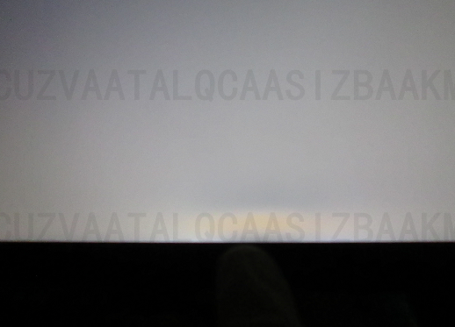 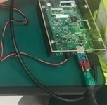 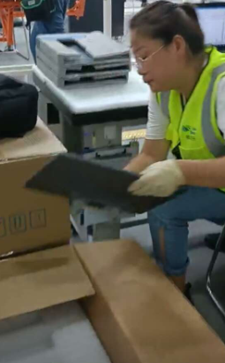 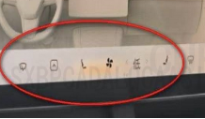 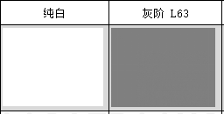
 | 2.Operators should study safety knowledge. 操作员必须经过安全知识宣导
 | 3. Operators should master basic computer skills. 操作员熟悉基本电脑操作
Operation steps | 1. 确认治工具线路连接是正确的如图1 Connect test jig correctly as pic1
Pic.4
Pic.3
Pic.5
 | 2. 测试工位上,测试人员从包装箱内取出产品如图2， The operator takes out product from box, shown as Pic.2，
 | 3.将产品插上测试线，打开电源绿色开关,如图5. Connect the products with test jig and turn on 12V Power(green dot) , shown as Pic.5
 | 4. 打开检验画面，检验G63 和白色画面，重点确认8区是否有黄斑不良，如图5 Open the inspection pattern to check the G63 and gull white pattern as pic 4，focus on eight area yellow mura defect as pic5，,the inspection time of G63 pattern is 5S.
Pic.6
 | 5. 检验完成后关掉电源, 将测试连接头与产品进行分离, NG品标识后区分放置. The operators Turn off 12V Power after inspection finish, NG products shall be marked and placed separetely.

蓝色标记
 | 6. 检验OK的产品在housing的背面区域进行蓝色打点，如图6 Marked the blue dot on housing back area as picture 6 show after inspection.
Attention Items | 1. Check connector performance and see if any deform and damage after testing finished, If there is abnormality and need to be replaced. 检验完成后需要去检查连接头是否有变形或者损伤, 如果有异常需要去更换. 2. Need to use OK/NG sample to re-check the test fixture by shift. 每班需要用OK/NG的标准片点检治具是否正常 3. Must turn off the power before pull out mating connector. 必须先关电源后再拔连接头

 | 制作：申海鸥 |  | 审核：曾小志 |  | 核准：王延龄 |  |  | 制作日期：2021.06.10

